Table A
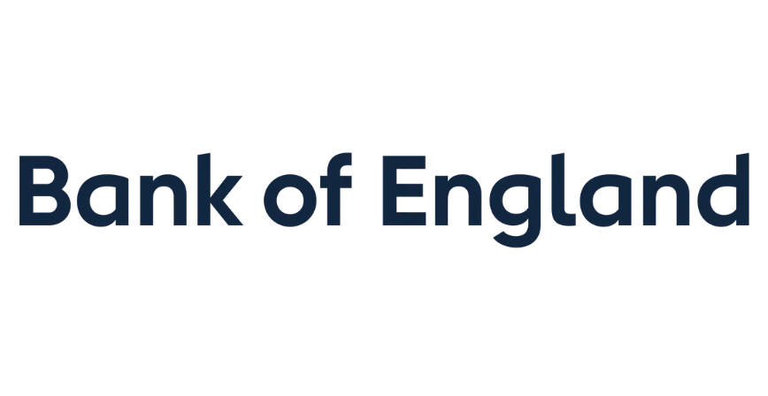

Table A: Regional breakdown of external claims of UK-owned monetary financial institutions - 2026 Q1
US$ billion
Not seasonally adjusted
 | External claims on:
 | Advanced Economies | Emerging Market and Developing Economies: |  |  |  | Total
 |  | Europe | Latin America & Caribbean | Africa & Middle East | Asia & Pacific

Immediate Borrower | 4,404.9 | 31.6 | 93.3 | 244.6 | 413.9 | 5,301.1
Net Risk Transfers | -31.5 | -3.2 | -2.0 | -12.6 | 23.1 | -22.8
Ultimate Risk | 4,373.4 | 28.4 | 91.4 | 232.1 | 437.0 | 5,278.4

UK-owned monetary financial institutions and their branches and subsidiaries worldwide reported an increase in consolidated external claims on an ultimate risk basis of $99.1 billion during 2026 Q1, to a level of $5,278.4 billion.

By sector, the largest increase in claims was on the Other Financial Corporations sector, up by $90.4 billion to a level of $1,664.2 billion.

By region, the largest increase in claims was on Advanced Economies, up $80.6 billion to a level of $4,373.4 billion, where the largest increase by country was against USA ($91.6 billion).

